Main
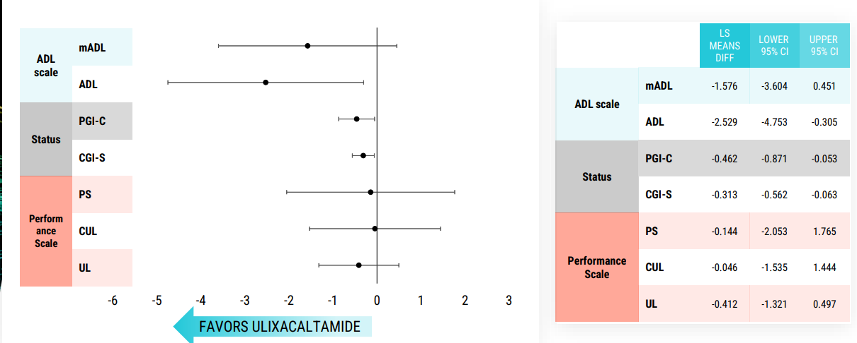
Ticker | PRAX | PRAX-944
Price | 42.82 | Ulixacaltamide |  | https://www.fiercebiotech.com/biotech/praxis-flouts-phase-3-futility-finding-forging-ahead-tremor-trial-despite-interim-setback
S/O | 21,045,781 | NCT05021978 | P-II | https://www.fiercebiotech.com/biotech/praxis-shaken-essential-tremor-fail-still-plans-phase-3
Mkt Cap | 901,180,342 | https://ir.praxismedicines.com/static-files/625750d7-3062-48e2-a29c-4b42af61123d
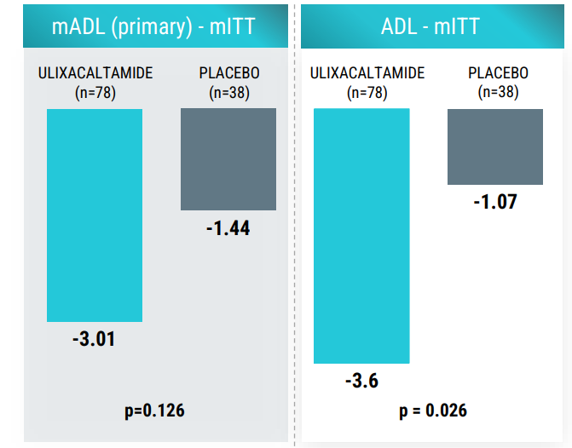
Cash | 301,533,000 | https://clinicaltrials.gov/study/NCT06087276?cond=(TREMOR,%20HEREDITARY%20ESSENTIAL)%20OR%20(TENM4)&rank=1&tab=table
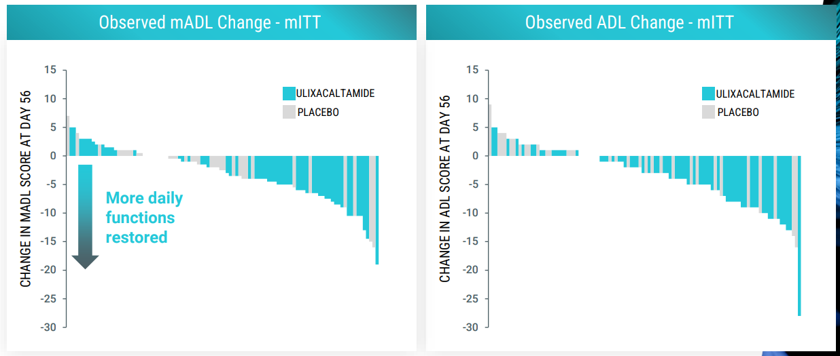
Debt | 48,608,000
EV | 648,255,342

